MN-000687
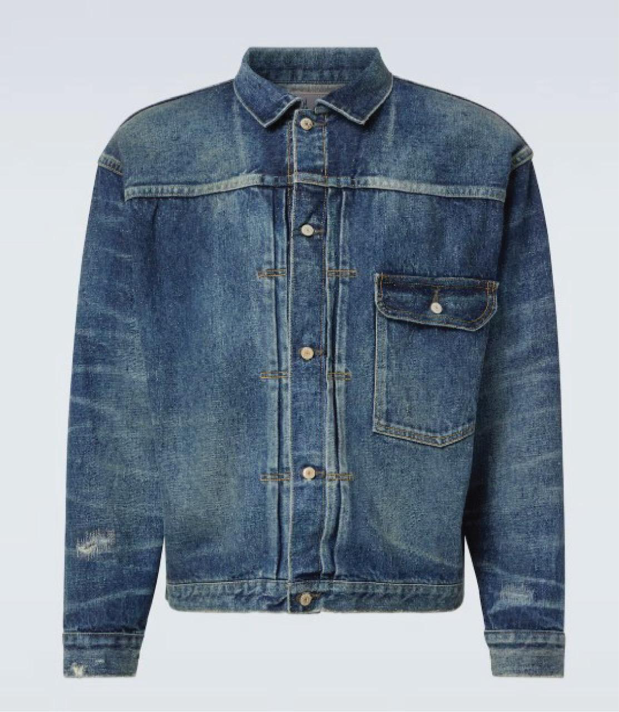
DATE | 2025-07-31 |  |  | WASH.CODE |  | ZR.000687
FINISHER:CODE |  |  |  |  |  | DRYPROCESS.AND WET PROCES
MODEL:CODE | 007 MC
SAP CODE | 6000808
FABRIC:CODE | ISKO:ISK63265
QUANTITY | 2 PCS
ROLL:CODE | 515205
FAB. WEIGHT
UNITS
TYPE MACHINE
DRYING TIME (Min.) :
COMMENTS:
 | MID |  |  | WASH:SUPERVISOR:ATIF
FREE DEVELOPMENT | E | of | 1 |  |  |  | Supplier | PH Value
ACTION | TIME | TEMP | Liters | AMT | UNITS | Chemicals
WHISKERS | WASH PICTURES
HAND SAND
GRINDING

WASH |  | 50 |  | 1 | GRM | LAVA SPERSE
 |  |  |  | 1 | G/L | ALPHA AMYLASE-LAVA ZYME AEN 01
DRAIN | 2

WATER FREE ENZYME WASHING |  |  |  | 15 | GRM | ASUCELL WF
RINSE | 1 | 50 |  | 200 | GRM | ASU WASH BOOSTER
DARIN | 1

WATER FREE ENZYME WASHING |  |  |  | 15 | GRM | ASUCELL WF
RINSE | 2 | RT |  | 200 | GRM | ASU WASH BOOSTER

BLEACH |  | RT |  |  | GRM | COUSTIC SODA
RINSE X2 | 2 | RT |  |  | K/G | HYPO

NEUTRALIZATION | 5 | RT |  |  | GRM | PEROXIDE
RINSE X2 | 2 | RT

CLEAN UP |  | 50 |  |  | GRM | NEAR CAND OP EXTRA
 |  |  |  |  | GRM | PEROXIDE
RINSE | 2 | RT
EXTRACT&DRY
DAMAGE
HYPO/PP SPRAY |  |  |  | 10 | GRM | PERMENGANATE
 |  |  |  | 200 | GRM | HYPO
 |  |  |  | 800 | GRM | WATER

NEUTRALIZATION | 5 | RT |  |  | GRM | ROYACTIVEX KS
RINSE | 2 | RT

BIOPOLISHING |  | 55 |  |  | GRM | LAVA CELL BNG
 |  |  |  |  | GRM | A.ACID. PH/55
RINSE | 2 | RT

WASH.TINT |  | 40 |  |  | M/L | YELLOW
 |  |  |  |  | M/L | BROWN GGL
DARIN |  |  |  |  | GRM | SALT

WASH SOFT |  | RT |  |  | K/G | ANTI OZON SOFT
EXTRACT&DRY |  |  |  |  | GRM | A.ACID. PH/5

